Pivot Tables1
Matches Win by Team wrt Bat First and Field First since 2009
 | bat | field
Chennai Super Kings | 50 | 29
Mumbai Indians | 38 | 35
Rajasthan Royals | 30 | 33
Royal Challengers Bangalore | 24 | 37
Kolkata Knight Riders | 31 | 29
Kings XI Punjab | 17 | 42
Delhi Daredevils | 26 | 23
Deccan Chargers | 14 | 15
Sunrisers Hyderabad | 11 | 12
Pune Warriors | 9 | 3
Kochi Tuskers Kerala |  | 6
NA | 1 | 2
Count of winner | Column Labels
Row Labels | bat | field | Grand Total
Chennai Super Kings | 50 | 29 | 79
Mumbai Indians | 38 | 35 | 73
Rajasthan Royals | 30 | 33 | 63
Royal Challengers Bangalore | 24 | 37 | 61
Kolkata Knight Riders | 31 | 29 | 60
Kings XI Punjab | 17 | 42 | 59
Delhi Daredevils | 26 | 23 | 49
Deccan Chargers | 14 | 15 | 29
Sunrisers Hyderabad | 11 | 12 | 23
Pune Warriors | 9 | 3 | 12
Kochi Tuskers Kerala |  | 6 | 6
NA | 1 | 2 | 3
Grand Total | 251 | 266 | 517

Win based on Toss decison
Row Labels | Count of winner
bat | 49%
field | 51%
Grand Total | 100%

Top 10 Venues based on Bat First and Field First
Count of winner | Column Labels
Row Labels | bat | field | Grand Total
Dr DY Patil Sports Academy | 7 | 10 | 17
Subrata Roy Sahara Stadium | 15 | 2 | 17
Sawai Mansingh Stadium | 14 | 19 | 33
Rajiv Gandhi International Stadium, Uppal | 19 | 15 | 34
Punjab Cricket Association Stadium, Mohali | 14 | 21 | 35
Wankhede Stadium | 19 | 26 | 45
Feroz Shah Kotla | 22 | 24 | 46
Eden Gardens | 27 | 20 | 47
MA Chidambaram Stadium, Chepauk | 34 | 14 | 48
M Chinnaswamy Stadium | 7 | 42 | 49
Grand Total | 178 | 193 | 371

Pivot table 2
Top 10 Player Man of Match
Row Labels | Count of player_of_match |  |  | Man of the Match | Title Win
CH Gayle | 17 |  |  | CH Gayle | 17
YK Pathan | 14 |  |  | YK Pathan | 14
MEK Hussey | 12 |  |  | MEK Hussey | 12
SK Raina | 12 |  |  | SK Raina | 12
MS Dhoni | 11 |  |  | MS Dhoni | 11
V Sehwag | 11 |  |  | V Sehwag | 11
DA Warner | 11 |  |  | DA Warner | 11
AB de Villiers | 11 |  |  | AB de Villiers | 11
G Gambhir | 11 |  |  | G Gambhir | 11
AM Rahane | 10 |  |  | AM Rahane | 10
JH Kallis | 10
Grand Total | 130

Row Labels | Count of Winner |  |  | Team | Wins
Mumbai Indians | 5 |  |  | Mumbai Indians | 5
Chennai Super Kings | 3 |  |  | Chennai Super Kings | 3
Kolkata Knight Riders | 2 |  |  | Kolkata Knight Riders | 2
Deccan Chargers | 1 |  |  | Deccan Chargers | 1
Sunrisers Hyderabad | 1 |  |  | Sunrisers Hyderabad | 1
Rajasthan Royals | 1 |  |  | Rajasthan Royals | 1
Grand Total | 13

Row Labels |  | Season | Winner | Runner up | Man of the Match | Player of the Series
IPL-2008 |  | IPL-2008 | Rajasthan Royals | Chennai Super Kings | Yusuf Pathan | Shane Watson
IPL-2009
IPL-2010
IPL-2011
IPL-2012
IPL-2013
IPL-2014
IPL-2015
Grand Total

Season | Winner | Runner up | Man of the Match | Player of the Series
IPL-2008 | Rajasthan Royals | Chennai Super Kings | Yusuf Pathan | Shane Watson
IPL-2009 | Deccan Chargers | Royal Challengers Bangalore | Anil Kumble | Adam Gilchrist
IPL-2010 | Chennai Super Kings | Mumbai Indians | Suresh Raina | Sachin Tendulkar
IPL-2011 | Chennai Super Kings | Royal Challengers Bangalore | Murali Vijay | Chris Gayle
IPL-2012 | Kolkata Knight Riders | Chennai Super Kings | Manvinder Bisla | Sunil Narine
IPL-2013 | Mumbai Indians | Chennai Super Kings | Kieron Pollard | Shane Watson
IPL-2014 | Kolkata Knight Riders | Kings XI Punjab | Manish Pandey | Glenn Maxwell
IPL-2015 | Mumbai Indians | Chennai Super Kings | Rohit Sharma | Andre Russell
IPL-2016 | Sunrisers Hyderabad | Royal Challengers Bangalore | Ben Cutting | Virat Kohli
IPL-2017 | Mumbai Indians | Rising Pune Supergiants | Krunal Pandya | Ben Stokes
IPL-2018 | Chennai Super Kings | Sunrisers Hyderabad | Shane Watson | Sunil Narine
IPL-2019 | Mumbai Indians | Chennai Super Kings | Jasprit Bumrah | Andre Russell
IPL-2020 | Mumbai Indians | Delhi Capitals | Trent Boult | Jofra Archer

Dashboard
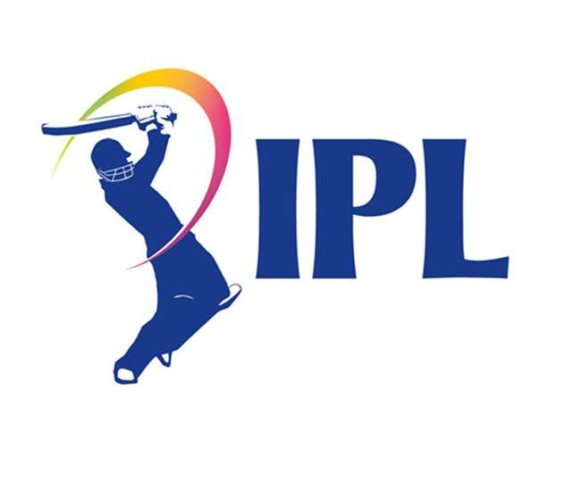
Indian Premier League 2008-2022
Season
IPL-2008
Winner
Rajasthan Royals
Runner up
Chennai Super Kings
Man of the Match
Yusuf Pathan
Player of the Series
Shane Watson

Matches Win by Team wrt Bat First and Field First since 2009
 | bat | field
Chennai Super Kings | 50 | 29
Mumbai Indians | 38 | 35
Rajasthan Royals | 30 | 33
Royal Challengers Bangalore | 24 | 37
Kolkata Knight Riders | 31 | 29
Kings XI Punjab | 17 | 42
Delhi Daredevils | 26 | 23
Deccan Chargers | 14 | 15
Sunrisers Hyderabad | 11 | 12
Pune Warriors | 9 | 3
Kochi Tuskers Kerala |  | 6
NA | 1 | 2
Win based on Toss decison
 | Total
bat | 49%
field | 51%
Top 10 Venues based on Bat First and Field First
 | bat | field
Dr DY Patil Sports Academy | 7 | 10
Subrata Roy Sahara Stadium | 15 | 2
Sawai Mansingh Stadium | 14 | 19
Rajiv Gandhi International Stadium, Uppal | 19 | 15
Punjab Cricket Association Stadium, Mohali | 14 | 21
Wankhede Stadium | 19 | 26
Feroz Shah Kotla | 22 | 24
Eden Gardens | 27 | 20
MA Chidambaram Stadium, Chepauk | 34 | 14
M Chinnaswamy Stadium | 7 | 42

Top 10 Player Man of Match
 | Title Win
CH Gayle | 17
YK Pathan | 14
MEK Hussey | 12
SK Raina | 12
MS Dhoni | 11
V Sehwag | 11
DA Warner | 11
AB de Villiers | 11
G Gambhir | 11
AM Rahane | 10

